2. Prioritize
 |  | Essential Questions for 2020-2021 Reopening: A Planning Workbook for Education Leaders
 |  | Phase 2: Prioritize
 |  | Tool: Prioritize Across Scenarios

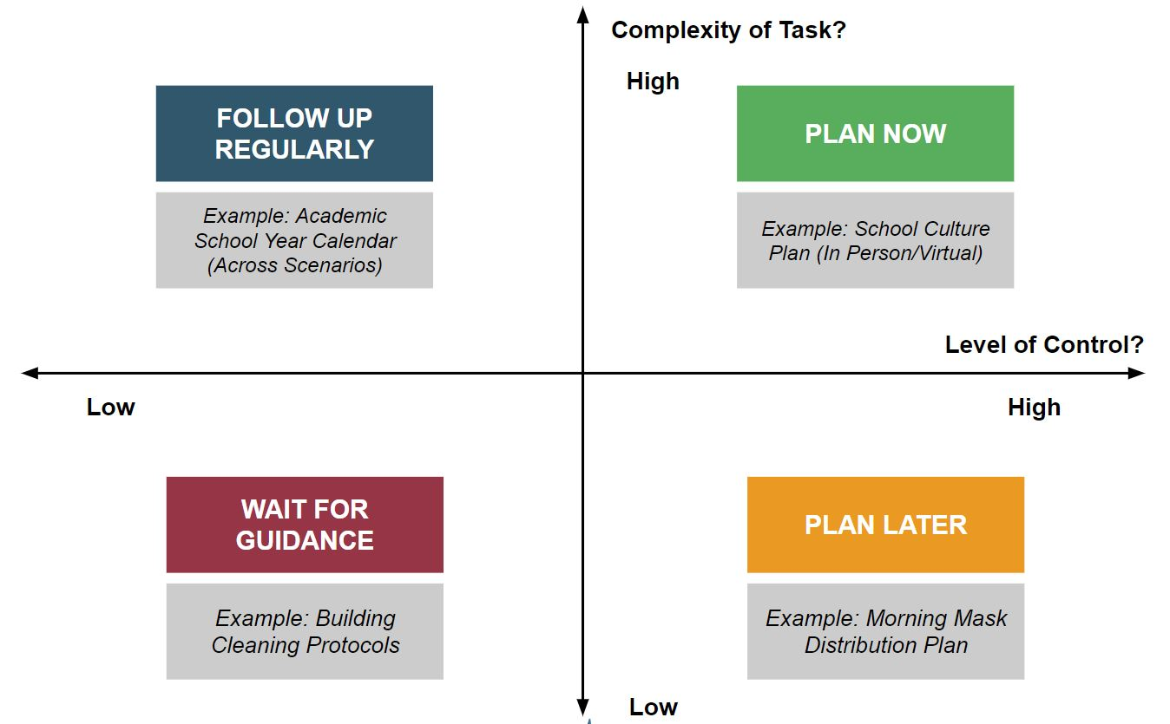
Part A: Reflect Across Scenarios (Columns B-H)
Step 1: We have divided the work into four core functions: Academics, Culture, Operations + Finance, Talent. For each core function, read through the guiding questions for each dimension across each scenario.
Step 2: Reflect briefly on the following questions as you read. Record your notes in Column G.
- How different will my plan for this dimension need to be across scenarios? - Where can I build for flexibility so that we will be positioned to adapt? - What work can I build off of/repurpose from spring or previous years?
Step 3: Based on your reflections, identify potential next steps your team could take to move this work forward (Column H).
Part B: Prioritize Across Potential Next Steps (Columns I-K)
Step 4: It is not realistic to figure everything in Column H out at once. To prioritize, we recommend identifying those tasks that are most complex and most in your control. See the graphic to the right for a visualization of our recommended prioritization framework.
Step 5: Review each next step listed in Column H; rate their complexity as high or low in Column I, then rate your likely level of control as high or low in Column J. This tool will automatically populate your Next Step (Column K) with one of the four corners, based on your response.
Step 6: Review those next steps that were rated as "Plan Now." From those, select priorities across all core functions to begin implementation planning on the next tabs. Reflect realistically on your team's size and capacity when determining the right total number of priorities to move forward at one time. You can always return to this tab and identify more work as progress is made.

 |  | Questions to Consider Across Scenarios
 | Dimension | In-Person | Distance | Hybrid | Reflection Notes | Next Steps | Complexity | Control | Next Step
Academics | Content | What content (curricula, interventions, additional resources) will we use in our in-person model, and how can we adjust to meet students' needs (lost learning, etc.)? | What content (curricula, interventions, additional resources) will we use in our distance model, and how can we adjust to meet students' needs (lost learning, etc.)? | If students access some content in person and some online, which content is best suited for each format? If some students are always in person and some always at home, how will we organize across both scenarios to ensure equitable access to content? |  |  | High | Low | Follow-up Regularly
 | Delivery Format | How will we organize students and what delivery methods (whole group, small group, 1:1) will we use for instruction? How might we account for the need to have smaller class sizes or staggered schedules due to social distancing? | What is the delivery format for our distance learning (paper/device/hybrid) model? If using a device, what program or platform will we use? | How will we combine our in-person and distance delivery formats to create a cohesive learning experience for all students, regardless if some are learning in person or at a distance, or toggling between the two? |  |  | High | Low | Follow-up Regularly
 | Schedule | How will we reorganize our in-person school calendar and/or school day schedule to allow for increased instruction, differentiation, and/or social distancing? | What is the daily and weekly schedule for distance learning across grade levels? Which content will be synchronous/asynchronous, and does the schedule meet the needs of students and staff? | How will we organize the way we use time during the school day and week to support learning with a subset of students in person and a subset of students learning at home/at a distance? |  |  | High | High | Plan Now
 | Teacher Supports | What supports do teachers need to implement this in-person academic model (content, delivery format, schedule) successfully? | What supports do teachers need to implement this distance academic model (content, delivery format, schedule) successfully? | What supports do teachers need to implement this hybrid academic model (content, delivery format, schedule) effectively? |  |  | Low | Low | Wait for Guidance
 | Student Supports | How will we ensure the needs of special populations are prioritized when we return to school in person? | How will we ensure we meet the needs of our students with special needs if we are not able to gather in person? How will this differ from our in-person approach? | How will we address the needs of our students with special needs if a subset of these students is learning in person and a subset is learning at a distance, or toggling between these two environments? |  |  | Low | High | Plan Later
 | Assessment | How will we quickly assess students' needs when they return in person and, at various points in the school year, matching them with relevant interventions? | How might we assess students' academic needs and match students with appropriate interventions if we are unable to gather in person? | How will we administer, assess, and monitor student growth and achievement in a hybrid scenario? |  |  | Low | High | Plan Later
 | Grading + Accountability | How will our grading expectations/accountability for learning adjust considering incoming academic gaps and social-emotional needs? | How will we consider grading/accountability for learning if students need to complete learning in a distance format for a period of time during the school year? | How will we consider grading/accountability for learning if students are toggling between in-person and distant learning environments? Which work will be graded and how? |  |  | Low | High | Plan Later
Culture | Student Culture | How will we rebuild and maintain community if gathered in person while social distancing? How will we reinforce school values, introduce new rituals and routines, process trauma, ensure high levels of engagement, and deliver meaningful SEL supports? | How will we build and maintain a strong student culture remotely? How will we reinforce school values, introduce new rituals and routines, process trauma, ensure high levels of engagement, and deliver meaningful SEL supports? | How will we build and maintain a strong student culture through inconsistency of environment or across two distinct learning environments? How will we reinforce school values, introduce new rituals and routines, process trauma, ensure high levels of engagement, and deliver meaningful SEL supports? |  |  | High | High | Plan Now
 | Family Engagement | How will we engage all families as partners in their children's learning, SEL development, and school community across all three formats? |  |  |  |  | High | High | Plan Now
 | Individual Supports | How will we identify and support individual students/families in need of additional supports for processing trauma, loss, etc.? Do we need increased staffing capacity (nurses, social workers, etc.) and/or additional training/programming to do so effectively? How will our plan differ across scenarios? |  |  |  |  | High | High | Plan Now
 | Communications | What is our plan for communicating with key stakeholders quickly to keep them informed, and are those systems flexible enough to flex across multiple formats? Do they include opportunities to collect feedback/data early and often to understand how plans are impacting families? |  |  |  |  | Low | Low | Wait for Guidance
Finance + Operations | Tech/Materials | How do we plan to re-collect (if applicable), repair, and integrate recently acquired technology into our in-person instructional model? | How will we acquire and distribute tech or other materials needed for our distance learning model, and how will we offer the support necessary to ensure it operates effectively from a distance? | How will we acquire, configure, distribute, and support tech or other materials necessary for instruction for a subset of students who may be learning from home in a hybrid scenario? |  |  | Low | Low | Wait for Guidance
 | Food Services | How will we conduct in-person food services in accordance with new health and social distancing guidelines? | How would we continue food service distribution to families if learning continued fully distant? | How will we ensure meals for all students in a way that meets local guidelines if a subset of students is learning at home and a subset learns in the building at any one time? |  |  | Low | Low | Wait for Guidance
 | Enrollment/ Attendance | How will we monitor and address possible enrollment or attendance challenges across these scenarios? |  |  |  |  | Low | Low | Wait for Guidance
 | Transportation | For in-person, what adjustments do we need to make to our transportation plans and capacity given social distancing guidelines? | How can available transportation capacity be repurposed to support delivery of materials and food for families learning at a distance? | How will transportation plans need to be adjusted, if at all, if only a subset of students will need transportation at a given time? |  |  | Low | High | Plan Later
 | Building Operations | How will we reconfigure our building operations (cleaning procedures, arrival/dismissal procedures, class period transitions), physical space, and furniture to adhere to social distancing guidelines? | How will we adjust building operations in cases of long-term closures? | How will we adjust building operations, physical space, and furniture with a subset of students in the building at any one time? |  |  | Low | High | Plan Later
 | Policy + Procedures | How will we set, implement, and hold accountable students, staff, and families to new policies around masks, gloves, handwashing, temperature checks, social distancing (mass gatherings), confirmed COVID-19 tests in our community, health privacy, and attendance? | How will we set, implement, and hold accountable students, staff, and families to new policies around: staff and student cyber behavior, online privacy, attendance, grades? | How will we set, implement, and hold students, staff, and families accountable for new policies simultaneously across two different learning environments and formats? |  |  | Low | Low | Wait for Guidance
 | Budget | How will we plan for the short- and long-term budgetary impacts of this crisis? |  |  |  |  | Low | High | Plan Later
Talent | Hiring/Onboarding | How will we ensure a fully hired and successfully onboarded staff in accordance with social distancing guidelines? | How will we ensure a fully hired and successfully onboarded staff if the entire process must be conducted remotely? | How will we ensure a fully hired and successfully onboarded staff if some are gathered in person and some staff are remote? |  |  | Low | Low | Wait for Guidance
 | Staffing Plan | How will we build an in-person staffing plan that supports teachers who are in high-risk health categories (and may need to remain home), accounts for a potential increase in staff absences, and supports the increased academic/SEL needs of students? | What is our staffing plan if we need to operate school completely remotely? What adjustments to our current distance learning staffing model would we need to make? What is our plan for increased absences and/or need for flexibility across our teaching team? | What is our staffing plan if we need to support a subset of students learning remotely and a subset of students learning in person each day? What is our plan if we have alternating days? How will we account for the need for increased flexibility and increased absences across our teaching team? |  |  | High | High | Plan Now
 | Leadership | How will our leadership team distribute roles and responsibilities, meet consistently effectively, make decisions, and communicate internally? How does this flex, if at all, across these scenarios? What is our plan for potential increased absences across our leadership team? |  |  |  |  | High | High | Plan Now
 | Staff Supports + Policies | How can we build an adult culture that emphasizes extending grace and leading with compassion? How can we best support staff who may be processing loss, trauma, etc.? What will policies be toward staff who may need increased flexibility due to child care or care of a loved one? What are our staff expectations under each scenario, and have we clearly communicated them? |  |  |  |  | Low | High | Plan Later

